Hoja1
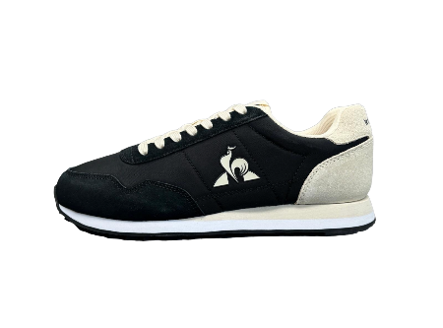
 | ean | ref | Modelo | Color | Talla | talla_2 | PVP | WHS | Unidades | valor | SEASON
 | 3606805462769 | 2510325-Black/TurtleDove-40 | Astra 2 trainers | Black / Turtle Dove | EU 40 |  | 70 | 35 | 6 | 210.00 € | FW25
 | 3606805462783 | 2510325-Black/TurtleDove-41 | Astra 2 trainers | Black / Turtle Dove | EU 41 |  | 70 | 35 | 16 | 560.00 € | FW25
 | 3606805462806 | 2510325-Black/TurtleDove-42 | Astra 2 trainers | Black / Turtle Dove | EU 42 |  | 70 | 35 | 21 | 735.00 € | FW25
 | 3606805462820 | 2510325-Black/TurtleDove-43 | Astra 2 trainers | Black / Turtle Dove | EU 43 |  | 70 | 35 | 19 | 665.00 € | FW25
 | 3606805462844 | 2510325-Black/TurtleDove-44 | Astra 2 trainers | Black / Turtle Dove | EU 44 |  | 70 | 35 | 9 | 315.00 € | FW25
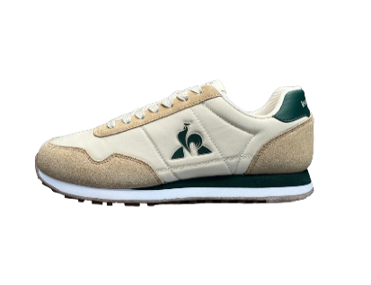
 | 3606805462868 | 2510325-Black/TurtleDove-45 | Astra 2 trainers | Black / Turtle Dove | EU 45 |  | 70 | 35 | 5 | 175.00 € | FW25
 | 3606805465500 | 2510539-TurtleDove/TrekkingGreen-40 | Astra 2 trainers | Turtle Dove / Trekking Green | EU 40 |  | 70 | 35 | 15 | 525.00 € | FW25
 | 3606805465524 | 2510539-TurtleDove/TrekkingGreen-41 | Astra 2 trainers | Turtle Dove / Trekking Green | EU 41 |  | 70 | 35 | 23 | 805.00 € | FW25
 | 3606805465548 | 2510539-TurtleDove/TrekkingGreen-42 | Astra 2 trainers | Turtle Dove / Trekking Green | EU 42 |  | 70 | 35 | 40 | 1,400.00 € | FW25
 | 3606805465562 | 2510539-TurtleDove/TrekkingGreen-43 | Astra 2 trainers | Turtle Dove / Trekking Green | EU 43 |  | 70 | 35 | 30 | 1,050.00 € | FW25
 | 3606805465586 | 2510539-TurtleDove/TrekkingGreen-44 | Astra 2 trainers | Turtle Dove / Trekking Green | EU 44 |  | 70 | 35 | 28 | 980.00 € | FW25
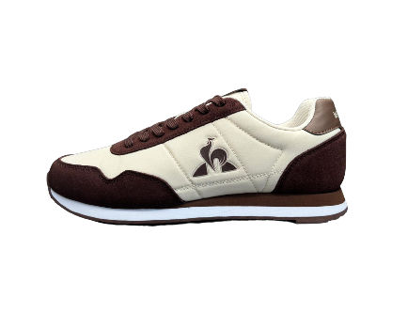
 | 3606805465609 | 2510539-TurtleDove/TrekkingGreen-45 | Astra 2 trainers | Turtle Dove / Trekking Green | EU 45 |  | 70 | 35 | 6 | 210.00 € | FW25
 | 3606805465708 | 2510540-Turtledove:Partridge-40 | Astra 2 trainers | Turtledove: Partridge | EU 40 |  | 70 | 35 | 2 | 70.00 € | SS25
 | 3606805465722 | 2510540-Turtledove:Partridge-41 | Astra 2 trainers | Turtledove: Partridge | EU 41 |  | 70 | 35 | 4 | 140.00 € | SS25
 | 3606805465746 | 2510540-Turtledove:Partridge-42 | Astra 2 trainers | Turtledove: Partridge | EU 42 |  | 70 | 35 | 6 | 210.00 € | SS25
 | 3606805465760 | 2510540-Turtledove:Partridge-43 | Astra 2 trainers | Turtledove: Partridge | EU 43 |  | 70 | 35 | 3 | 105.00 € | SS25
 | 3606805465784 | 2510540-Turtledove:Partridge-44 | Astra 2 trainers | Turtledove: Partridge | EU 44 |  | 70 | 35 | 4 | 140.00 € | SS25
 | 3606805465807 | 2510540-Turtledove:Partridge-45 | Astra 2 trainers | Turtledove: Partridge | EU 45 |  | 70 | 35 | 1 | 35.00 € | SS25
 | 3606805464886 | 2510511-OpticalWhite/Cobalt:-40 | Courtset 2 trainers | Optical White / Cobalt: | EU 40 |  | 80 | 40 | 3 | 120.00 € | SS25
 | 3606805464909 | 2510511-OpticalWhite/Cobalt:-41 | Courtset 2 trainers | Optical White / Cobalt: | EU 41 |  | 80 | 40 | 7 | 280.00 € | SS25
 | 3606805464923 | 2510511-OpticalWhite/Cobalt:-42 | Courtset 2 trainers | Optical White / Cobalt: | EU 42 |  | 80 | 40 | 8 | 320.00 € | SS25
 | 3606805464947 | 2510511-OpticalWhite/Cobalt:-43 | Courtset 2 trainers | Optical White / Cobalt: | EU 43 |  | 80 | 40 | 9 | 360.00 € | SS25
 | 3606805464961 | 2510511-OpticalWhite/Cobalt:-44 | Courtset 2 trainers | Optical White / Cobalt: | EU 44 |  | 80 | 40 | 5 | 200.00 € | SS25
 | 3606805464985 | 2510511-OpticalWhite/Cobalt:-45 | Courtset 2 trainers | Optical White / Cobalt: | EU 45 |  | 80 | 40 | 2 | 80.00 € | SS25
 | 3606805463780 | 2510347-OpticalWhite/DressBlue-40 | Courtset 2 trainers | Optical White / Dress Blue | EU 40 |  | 80 | 40 | 16 | 640.00 € | FW25
 | 3606805463803 | 2510347-OpticalWhite/DressBlue-41 | Courtset 2 trainers | Optical White / Dress Blue | EU 41 |  | 80 | 40 | 32 | 1,280.00 € | FW25
 | 3606805463827 | 2510347-OpticalWhite/DressBlue-42 | Courtset 2 trainers | Optical White / Dress Blue | EU 42 |  | 80 | 40 | 64 | 2,560.00 € | FW25
 | 3606805463841 | 2510347-OpticalWhite/DressBlue-43 | Courtset 2 trainers | Optical White / Dress Blue | EU 43 |  | 80 | 40 | 64 | 2,560.00 € | FW25
 | 3606805463865 | 2510347-OpticalWhite/DressBlue-44 | Courtset 2 trainers | Optical White / Dress Blue | EU 44 |  | 80 | 40 | 48 | 1,920.00 € | FW25
 | 3606805463889 | 2510347-OpticalWhite/DressBlue-45 | Courtset 2 trainers | Optical White / Dress Blue | EU 45 |  | 80 | 40 | 16 | 640.00 € | FW25
 | 3606805463568 | 2510346-OpticalWhite/Tan-40 | Courtset 2 trainers | Optical White / Tan | EU 40 |  | 80 | 40 | 19 | 760.00 € | FW25
 | 3606805463582 | 2510346-OpticalWhite/Tan-41 | Courtset 2 trainers | Optical White / Tan | EU 41 |  | 80 | 40 | 24 | 960.00 € | FW25
 | 3606805463605 | 2510346-OpticalWhite/Tan-42 | Courtset 2 trainers | Optical White / Tan | EU 42 |  | 80 | 40 | 48 | 1,920.00 € | FW25
 | 3606805463629 | 2510346-OpticalWhite/Tan-43 | Courtset 2 trainers | Optical White / Tan | EU 43 |  | 80 | 40 | 48 | 1,920.00 € | FW25
 | 3606805463643 | 2510346-OpticalWhite/Tan-44 | Courtset 2 trainers | Optical White / Tan | EU 44 |  | 80 | 40 | 36 | 1,440.00 € | FW25
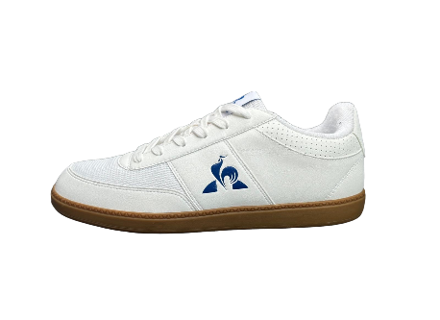
 | 3606805463667 | 2510346-OpticalWhite/Tan-45 | Courtset 2 trainers | Optical White / Tan | EU 45 |  | 80 | 40 | 12 | 480.00 € | FW25
 | 3606805461663 | 2510317-OpticalWhite/SnorkelBlue-40 | LCS Derby 1 trainers | Optical White / Snorkel Blue | EU 40 |  | 65 | 32.5 | 8 | 260.00 € | SS25
 | 3606805461687 | 2510317-OpticalWhite/SnorkelBlue-41 | LCS Derby 1 trainers | Optical White / Snorkel Blue | EU 41 |  | 65 | 32.5 | 12 | 390.00 € | SS25
 | 3606805461700 | 2510317-OpticalWhite/SnorkelBlue-42 | LCS Derby 1 trainers | Optical White / Snorkel Blue | EU 42 |  | 65 | 32.5 | 15 | 487.50 € | SS25
 | 3606805461724 | 2510317-OpticalWhite/SnorkelBlue-43 | LCS Derby 1 trainers | Optical White / Snorkel Blue | EU 43 |  | 65 | 32.5 | 6 | 195.00 € | SS25
 | 3606805461748 | 2510317-OpticalWhite/SnorkelBlue-44 | LCS Derby 1 trainers | Optical White / Snorkel Blue | EU 44 |  | 65 | 32.5 | 8 | 260.00 € | SS25
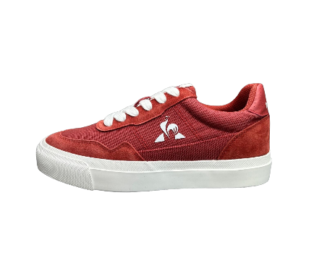
 | 3606805461762 | 2510317-OpticalWhite/SnorkelBlue-45 | LCS Derby 1 trainers | Optical White / Snorkel Blue | EU 45 |  | 65 | 32.5 | 3 | 97.50 € | SS25
 | 3606805499017 | 2510636-EtruscanRed/OpticalWhite-37 | LCS Ollie trainers | Etruscan Red / Optical White | EU 37 |  | 60 | 30 | 2 | 60.00 € | SS25
 | 3606805499024 | 2510636-EtruscanRed/OpticalWhite-38 | LCS Ollie trainers | Etruscan Red / Optical White | EU 38 |  | 60 | 30 | 4 | 120.00 € | SS25
 | 3606805499031 | 2510636-EtruscanRed/OpticalWhite-39 | LCS Ollie trainers | Etruscan Red / Optical White | EU 39 |  | 60 | 30 | 4 | 120.00 € | SS25
 | 3606805499055 | 2510636-EtruscanRed/OpticalWhite-40 | LCS Ollie trainers | Etruscan Red / Optical White | EU 40 |  | 60 | 30 | 2 | 60.00 € | SS25
 | 3606805499079 | 2510636-EtruscanRed/OpticalWhite-41 | LCS Ollie trainers | Etruscan Red / Optical White | EU 41 |  | 60 | 30 | 2 | 60.00 € | SS25
 | 3606805499093 | 2510636-EtruscanRed/OpticalWhite-42 | LCS Ollie trainers | Etruscan Red / Optical White | EU 42 |  | 60 | 30 | 4 | 120.00 € | SS25
 | 3606805499130 | 2510636-EtruscanRed/OpticalWhite-44 | LCS Ollie trainers | Etruscan Red / Optical White | EU 44 |  | 60 | 30 | 2 | 60.00 € | SS25
 | 3606805499154 | 2510636-EtruscanRed/OpticalWhite-45 | LCS Ollie trainers | Etruscan Red / Optical White | EU 45 |  | 60 | 30 | 2 | 60.00 € | SS25
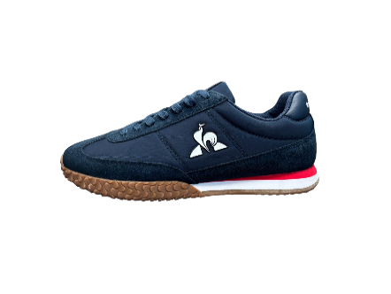 | 3606805471099 | 2510514-DressBlue/FieryRed-45 | Veloce I trainers | Dress Blue / Fiery Red | EU 45 |  | 85 | 42.5 | 8 | 340.00 € | FW25
 | 3606805470993 | 2510514-DressBlue/FieryRed-40 | Veloce I trainers | Dress Blue / Fiery Red | EU 40 |  | 85 | 42.5 | 16 | 680.00 € | FW25
 | 3606805471013 | 2510514-DressBlue/FieryRed-41 | Veloce I trainers | Dress Blue / Fiery Red | EU 41 |  | 85 | 42.5 | 32 | 1,360.00 € | FW25
 | 3606805471037 | 2510514-DressBlue/FieryRed-42 | Veloce I trainers | Dress Blue / Fiery Red | EU 42 |  | 85 | 42.5 | 48 | 2,040.00 € | FW25
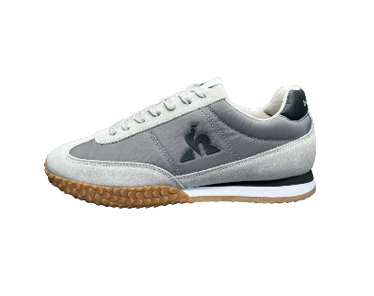
 | 3606805471051 | 2510514-DressBlue/FieryRed-43 | Veloce I trainers | Dress Blue / Fiery Red | EU 43 |  | 85 | 42.5 | 47 | 1,997.50 € | FW25
 | 3606805471075 | 2510514-DressBlue/FieryRed-44 | Veloce I trainers | Dress Blue / Fiery Red | EU 44 |  | 85 | 42.5 | 32 | 1,360.00 € | FW25
 | 3606805471709 | 2510545-Galet/FrostGray-40 | Veloce I trainers | Galet / Frost Gray | EU 40 |  | 85 | 42.5 | 4 | 170.00 € | SS25
 | 3606805471747 | 2510545-Galet/FrostGray-42 | Veloce I trainers | Galet / Frost Gray | EU 42 |  | 85 | 42.5 | 18 | 765.00 € | SS25
 | 3606805471761 | 2510545-Galet/FrostGray-43 | Veloce I trainers | Galet / Frost Gray | EU 43 |  | 85 | 42.5 | 7 | 297.50 € | SS25
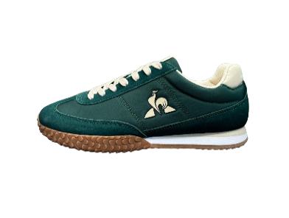
 | 3606805471808 | 2510545-Galet/FrostGray-45 | Veloce I trainers | Galet / Frost Gray | EU 45 |  | 85 | 42.5 | 7 | 297.50 € | SS25
 | 3606805466989 | 2510331-JuneBug/TurtleDove-40 | Veloce I trainers | June Bug / Turtle Dove | EU 40 |  | 85 | 42.5 | 5 | 212.50 € | FW25
 | 3606805467009 | 2510331-JuneBug/TurtleDove-41 | Veloce I trainers | June Bug / Turtle Dove | EU 41 |  | 85 | 42.5 | 10 | 425.00 € | FW25
 | 3606805467023 | 2510331-JuneBug/TurtleDove-42 | Veloce I trainers | June Bug / Turtle Dove | EU 42 |  | 85 | 42.5 | 19 | 807.50 € | FW25
 | 3606805467047 | 2510331-JuneBug/TurtleDove-43 | Veloce I trainers | June Bug / Turtle Dove | EU 43 |  | 85 | 42.5 | 13 | 552.50 € | FW25
 | 3606805467061 | 2510331-JuneBug/TurtleDove-44 | Veloce I trainers | June Bug / Turtle Dove | EU 44 |  | 85 | 42.5 | 8 | 340.00 € | FW25
 | 3606805467085 | 2510331-JuneBug/TurtleDove-45 | Veloce I trainers | June Bug / Turtle Dove | EU 45 |  | 85 | 42.5 | 1 | 42.50 € | FW25
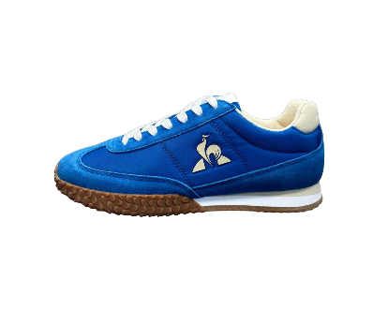 | 3606805467184 | 2510333-SnorkelBlue/TurtleDove-40 | Veloce I trainers | Snorkel Blue / Turtle Dove | EU 40 |  | 85 | 42.5 | 8 | 340.00 € | SS25
 | 3606805467207 | 2510333-SnorkelBlue/TurtleDove-41 | Veloce I trainers | Snorkel Blue / Turtle Dove | EU 41 |  | 85 | 42.5 | 13 | 552.50 € | SS25
 | 3606805467221 | 2510333-SnorkelBlue/TurtleDove-42 | Veloce I trainers | Snorkel Blue / Turtle Dove | EU 42 |  | 85 | 42.5 | 23 | 977.50 € | SS25
 | 3606805467245 | 2510333-SnorkelBlue/TurtleDove-43 | Veloce I trainers | Snorkel Blue / Turtle Dove | EU 43 |  | 85 | 42.5 | 24 | 1,020.00 € | SS25
 | 3606805467269 | 2510333-SnorkelBlue/TurtleDove-44 | Veloce I trainers | Snorkel Blue / Turtle Dove | EU 44 |  | 85 | 42.5 | 14 | 595.00 € | SS25
 | 3606805467283 | 2510333-SnorkelBlue/TurtleDove-45 | Veloce I trainers | Snorkel Blue / Turtle Dove | EU 45 |  | 85 | 42.5 | 8 | 340.00 € | SS25
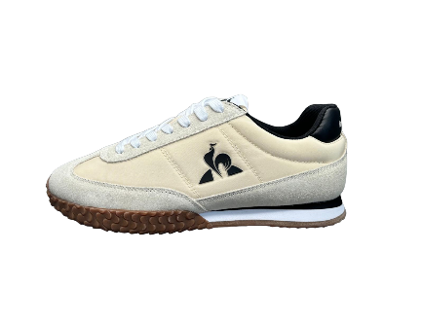
 | 3606805467382 | 2510334-TurtleDove/Black-40 | Veloce I trainers | Turtle Dove / Black | EU 40 |  | 85 | 42.5 | 8 | 340.00 € | SS25
 | 3606805467405 | 2510334-TurtleDove/Black-41 | Veloce I trainers | Turtle Dove / Black | EU 41 |  | 85 | 42.5 | 15 | 637.50 € | SS25
 | 3606805467429 | 2510334-TurtleDove/Black-42 | Veloce I trainers | Turtle Dove / Black | EU 42 |  | 85 | 42.5 | 21 | 892.50 € | SS25
 | 3606805467443 | 2510334-TurtleDove/Black-43 | Veloce I trainers | Turtle Dove / Black | EU 43 |  | 85 | 42.5 | 21 | 892.50 € | SS25
 | 3606805467467 | 2510334-TurtleDove/Black-44 | Veloce I trainers | Turtle Dove / Black | EU 44 |  | 85 | 42.5 | 14 | 595.00 € | SS25
 | 3606805467481 | 2510334-TurtleDove/Black-45 | Veloce I trainers | Turtle Dove / Black | EU 45 |  | 85 | 42.5 | 6 | 255.00 € | SS25
 |  |  |  |  |  |  |  |  | 1223 | 48245

